0. Info
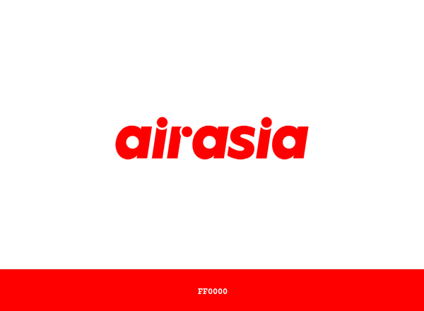
Reference: https://www.brandcolorcode.com/

The Philippine Airlines branding uses the following color hex codes:
1. Blue: =#001F60
2. Yellow: =#FFCC05
3. Red: =#EE2A29
4. White: =#FFFFFF
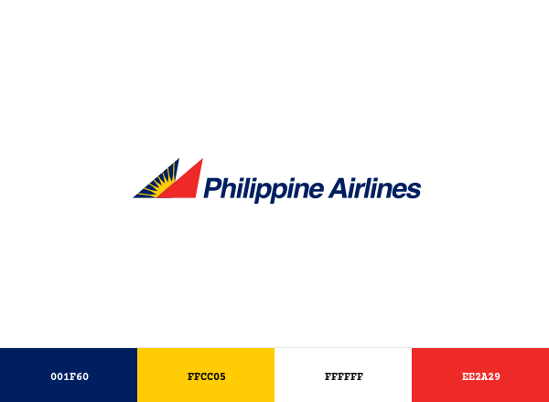

Cebu Pacific's branding uses the following color hex codes:
1. Light Blue: #06A7E0
2. Green: #039482
3. Blue: #2574BB



AirAsia's branding uses the following color hex codes:
1. Red: =#FF0000
2. White: =#FFFFFF

2. Graphs and Values
 | Executive Summary / Media Overview

 | 378 |  |  |  | 161 |  |  |  | 255.51M |  |  | 2.36M
 | Media Coverage Volume |  |  |  | Headline Presence |  |  |  | Reach Metrics |  |  | Total AVE

 |  |  |  |  |  |  |  |  |  |  |  |  |  |  | Category | Value | Label | Split Type
 |  |  |  |  |  |  |  |  |  |  |  |  |  |  | Cebu Pacific Air | 18 | Airlines | Main
 |  |  |  |  |  |  |  |  |  |  |  |  |  |  | AirAsia Philippines | 128 | Airlines | Main
 | Brand Volume |  |  |  |  |  |  |  |  |  |  |  |  |  | Positive | 78 | PAL Sentiment | Split
 | Philippine Airlines | 378 |  |  |  |  |  |  |  |  |  |  |  |  | Neutral | 272 | PAL Sentiment | Split
 | Cebu Pacific Air | 18 |  |  |  |  |  |  |  |  |  |  |  |  | Negative | 28 | PAL Sentiment | Split
 | AirAsia Philippines | 132

Neutral

Positive
 | PAL Sentiment
 | Positive | 78
 | Neutral | 272
Negative
 | Negative | 28

 | Trendline Analysis

Note: Change the value of month and year for every report
January | 1 | 2025

1 | Jan-01 | 3
2 | Jan-02 | 6
3 | Jan-03 | 9
4 | Jan-04 | 2
5 | Jan-05 | 12
6 | Jan-06 | 17
7 | Jan-07 | 9
8 | Jan-08 | 49
9 | Jan-09 | 41
10 | Jan-10 | 27
11 | Jan-11 | 19
12 | Jan-12 | 6
13 | Jan-13 | 18
14 | Jan-14 | 17
15 | Jan-15 | 20
16 | Jan-16 | 27
17 | Jan-17 | 15
18 | Jan-18 | 9
19 | Jan-19 | 9
20 | Jan-20 | 14
21 | Jan-21 | 22
22 | Jan-22 | 22
23 | Jan-23 | 14
24 | Jan-24 | 14
25 | Jan-25 | 12
26 | Jan-26 | 20
27 | Jan-27 | 27
28 | Jan-28 | 30
29 | Jan-29 | 11
30 | Jan-30 | 3
31 | Jan-31 | 16

 | PAL vs. Competitors

 | PAL |  |  |  |  | CebPac |  |  |  | AirAsia |  |  |  | PAL |  |  |  |  | CebPac |  |  |  | AirAsia
 | Top 5 Publications |  |  |  |  | Top 5 Publications |  |  |  | Top 5 Publications |  |  |  | Top 5 Authors |  |  |  |  | Top 5 Authors |  |  |  | Top 5 Authors

 | Rank | Publication | Count | AVE |  | Rank | Publication | Count | AVE | Rank | Publication | Count | AVE | Rank | Author | Count | AVE |  | Rank | Author | Count | AVE | Rank | Author | Count | AVE
 | 1 | MSN Philippines | 35 | 179769.26 |  | 1 | MSN Philippines | 5 | 25925.24 | 1 | Manila Standard | 7 | 16067.57 | 1 | Elijah Felice Rosales | 16 | 341827.45 |  | 1 | Jon Viktor | 2 | 47477.09 | 1 | Allan Balmaceda | 10 | 41.32
 | 2 | The Philippine Star | 25 | 823158.35 |  | 2 | PortCalls Asia | 3 | 380.81 | 2 | LionhearTV.net | 7 | 3006.27 | 2 | Tyrone Jasper | 8 | 171202.66 |  | 2 | Leana Vibal | 2 | 10142.44 | 2 | Elijah Felice Rosales | 5 | 112441.79
 | 3 | BusinessMirror | 19 | 10362.55 |  | 3 | Ruthdelacruz | 2 | 8.83 | 3 | Mindanao Times | 7 | 1792.88 | 3 | Itchie G. Cabayan | 6 | 979.92 |  | 3 | Ruth Dela Cruz | 2 | 8.83 | 3 | Cherry Light | 5 | 672.75
 | 4 | Philippine Daily Inquirer | 16 | 599220.72 |  | 4 | Bloggers Philippines | 2 | 5.18 | 4 | SMNI News | 7 | 905.93 | 4 | Jerry S. Tan | 5 | 10.15 |  | 4 | Melanie Uson | 1 | 5071.22 | 4 | Darwin G. Amojelar | 4 | 9215.08
 | 5 | Manila Standard | 16 | 37566.16 |  | 5 | GMA Network | 1 | 41836.73 | 5 | iOrbitNews | 7 | 374.69 | 5 | Musong R. Castillo | 4 | 84742.94 |  | 5 | Brooke Villanueva | 1 | 5071.22 | 5 | Tyrone Jasper | 2 | 44148.97

 | Media Sentiment Overview & Top 2 Stories

 | Company | Positive | Neutral | Negative
 | Philippine Airlines | 78 | 272 | 28 |  |  |  |  |  |  |  | PAL Top Positive Story by AVE: | https://plus.inquirer.net/business/pal-to-resume-manila-beijing-flights-in-march/
 | Cebu Pacific Air | 4 | 14 | 0 |  |  |  |  |  |  |  | PAL Top Negative Story by AVE: | https://www.rappler.com/philippines/visayas/pal-suspends-manila-kalibo-flights-march-2025/
 | AirAsia Philippines | 88 | 44 | 0

 |  |  |  |  |  |  |  |  |  |  |  | Competitor Top Positive Story by AVE: | https://www.gmanetwork.com/news/money/companies/932497/airasia-partners-with-dot-to-promote-ph-as-muslim-friendly-destination/story/
 |  |  |  |  |  |  |  |  |  |  |  | Competitor Top Negative Story by AVE: | URL

 | Deep Dive

